Instructions
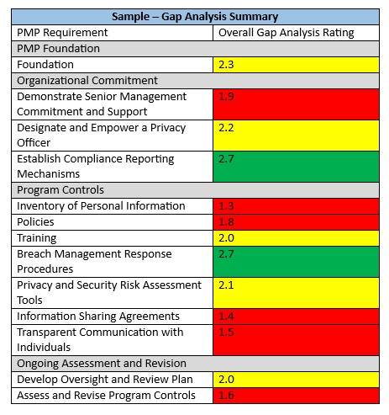
Instructions:
Step 1: This Gap Analysis tool reviews four major categories: Getting Started; Organizational Commitment; Program Controls; and Ongoing Assessment and Revision. Within each category are a series of requirements and a list of essential elements. For example, the Organizational Commitment category lists three elements for establishing "Demonstrate Senior Management Commitment and Support". Record your evaluation of each element by describing the current state of affairs in your organization. Be as honest and critical as you can. The goal here is to accurately state your organization’s current status.
Step 2: Once you have described the current state of affairs for an element, rate your organization's compliance on a scale of 1 to 3 using the rating scale provided. Feel free to give partial points.
Step 3: Average the score for the elements of each requirement to come up with an overall rating that you will record in the Overall Rating row.
Step 4: Assign a colour to the Overall Rating using the color rating scale. Record the colour in the Gap Analysis Summary.
Step 5: Continue until Gap Analysis Summary is completed. This will serve as a one page visual summary of your Gap Analysis results. Your goal is then to develop a privacy oversight and review plan outlining the actions and resources needed to move all of your ratings to green.

